1. Title Page
[Project Name]

Project Name: Instacart
Date: 4/28/2025
Analyst Name: Bacary Casimiro Djassi

Contents:
Population Flow
Consistency checks
Wrangling steps
Column derivations
Visualizations
Recommendations

2. Population Flow
Title page

Population flow

Exclusion flag
Condition: max_order < 5
Obervations to be removed: 7989982
Final total count of order_products_all: 24414877

Orders_products_combined
Orders_products_merged
Orders_products_all

Total: 32404859
Total: 32434489
Total: 32404859

1.) The grey boxes in the first row of the population flow represent the original data sets as they were when you downloaded them. In the Total fields you need to add the count of the rows when you imported the data set into Jupyter.
2.) The second row of boxes (coloured) represents the data sets after you manipulated them, e.g., removed missing values and duplicates. In the Total fields you need to add the count of the rows after conducting these operations. This offers a visual oveview of how the data flows throughout the data consistency checks.
3.) The third row, where also the arrows are coloured, represents the merges you performed between the datasets. In the Total fields you need to add the count of the rows in the merged datasets, so that you end up with the final dataset (in the red box). Keep in mind the final dataset should be without exclusions (based on the exclusion flag).

3. Consistency checks
 |  |  |  | Title page
Consistency checks

Dataset | Missing values | Missing values treatment | Duplicates
orders | 206209 | Filtered out missing values from data set | 0
products | 16 | Filtered out missing values from data set | 16
orders_products_prior | 2078068 | Excluded column | 0
customers | 11259 | Filtered out column with flagged values | 0

4. Wrangling steps
 |  |  |  | Title page
Wrangling steps

Columns dropped | Columns renamed | Columns' type changed | Comment/Reason
eval_set | order_dow (to: order_day_of_week) | 'First Name'
_merge
Unnamed

5. Column derivations
 |  |  |  | Title page

Column derivations and aggregations

In this tab you should add tables below that the frequences of flags/label variables that you produced after deriving them. NB: don't do this for continuous variables, only for flags.
Dataset | New column | Column/s it was derived from | Conditions
Orders_products_merged | loyalty flag | max_order | max_order' > 40 max_order' > 10 & <= 40 'max_order' <= 10
Orders_products_merged | max_order | user_id, order_number | max_order' > 40 'max_order' <= 40 'max_order' <= 10
Orders_products_merged | spending_flag | prices | prices' >= 10
ords_prods_merged | frequency_flag | days_since_prior_order | days_since_prior_order'] > 20 'days_since_prior_order' > 10) & 'days_since_prior_order' <= 20 'days_since_prior_order' <= 10
Orders_products_all | Age_groups | Age | Age <= 30 (Age > 30) & (Age <= 40) (Age > 40) & (Age <= 50) (Age > 50) & (Age <= 60) (Age > 60) & (Age <= 70) (Age > 70) & (Age <= 81)
Orders_products_all | profile | age, income, n_dependants, department_id | age: <30 30-40, 40-50 50-60, 60-81 income: 35,742 - 133,678 33,427 - 230,910 59,981 - 228,682 department_id: 4, 1, 7 4, 13, 18 4, 13, 7 n_dependants: ≤0 ≥1 ≥0

6. Visualizations
 |  |  | Title page

Visualisations

In this tab you should include all the visualtions from Exercises 4.9 and 4.10, alongside the questions from the project brief that they answer. Include any commentary on the relationship between different variables.

 | Figure 1
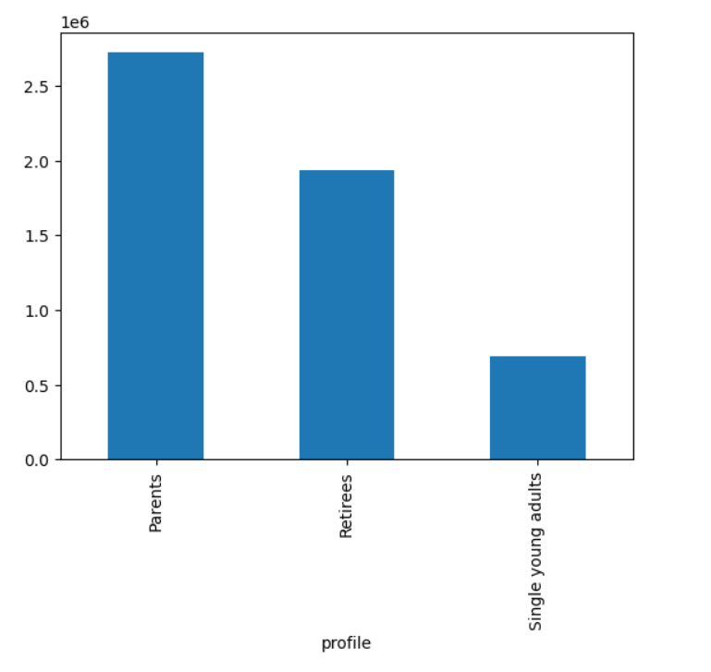
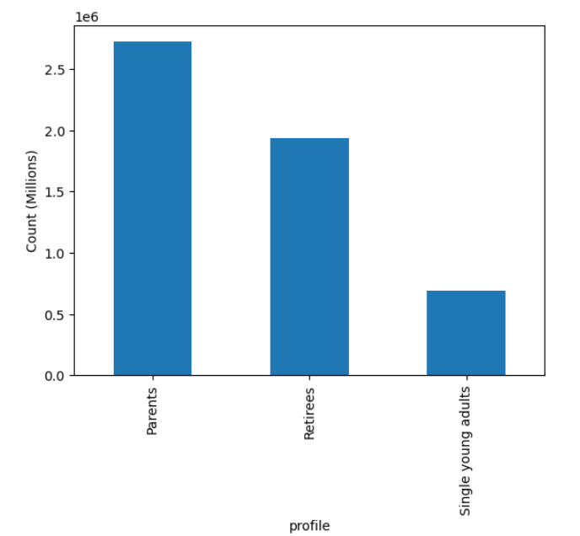

 |  | Figure 2

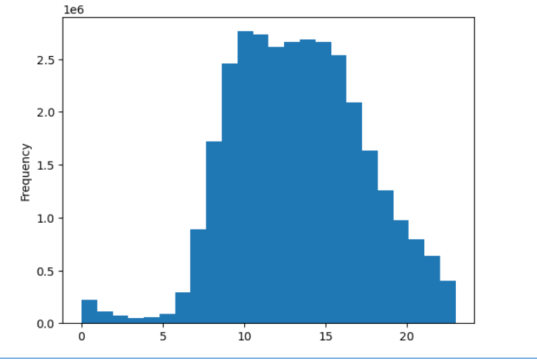
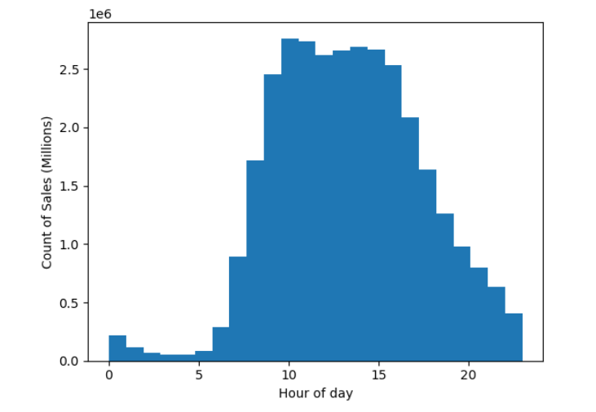
The histogram shows that most sales tend to happen between 10:00 and 15:00. The peak is 10:00. There don't seem to be any sales registered between 23:00 and 00:00.

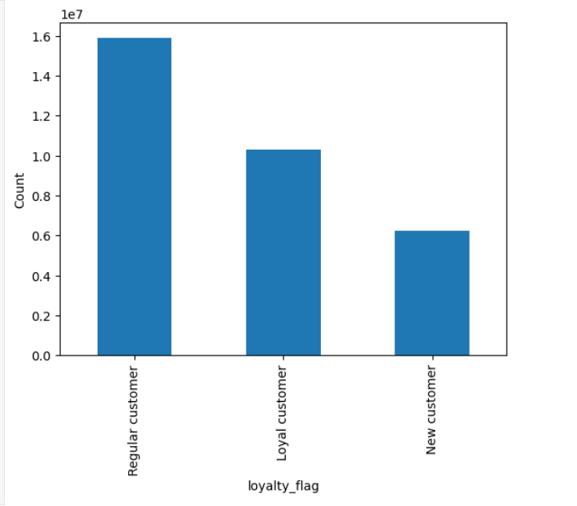
 | Figure 3
Spending per customer type.

 | Figure 4

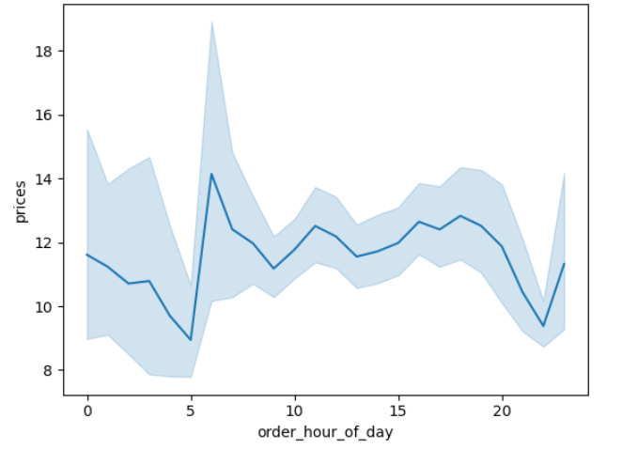
Although the number of orders at 6am is one of the lowest in the whole day, the expenditure amount is the highest at this time. The second highest seems to be on the late afternoon at around 18:00.

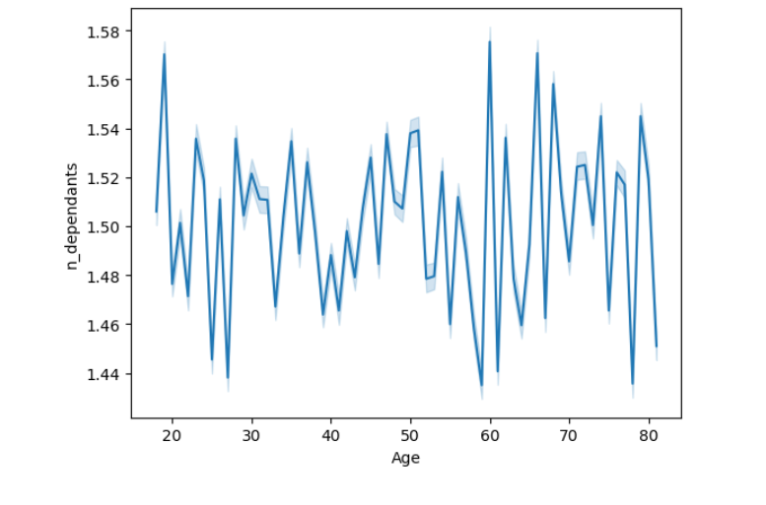
 |  | Figure 5
While the number of dependants is between 0 to 3, the y axis in the line chart only shows the values between 1.44 and 1.58. These values do not tell us the exact number of dependants per age group. As per the line itself, we see a few clear spikes for some age groups: 20, 60, ~65 and ~68. These age groups are more likely of having more dependants. For the age groups ~27, ~58, ~61 and 78 the opposite is true.

 | Figure 6
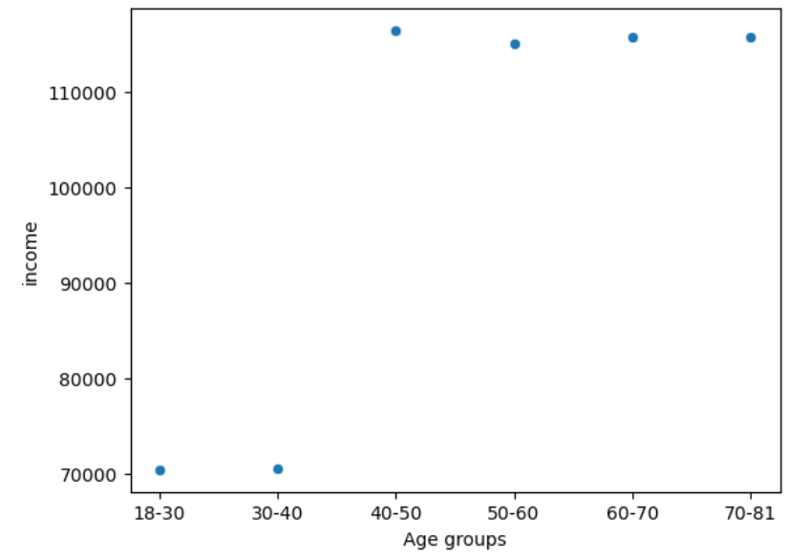

We see that the age groups between 18-30 and 30-40 have average income that that liest at 70K, while the average income of the age groups of the remaining groups is above 110K.

 | Figure 7

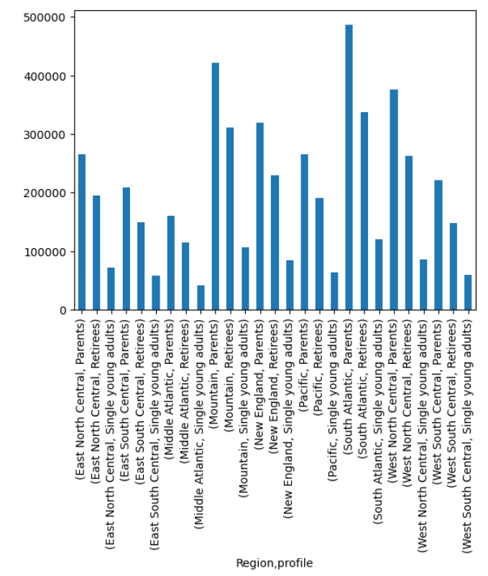
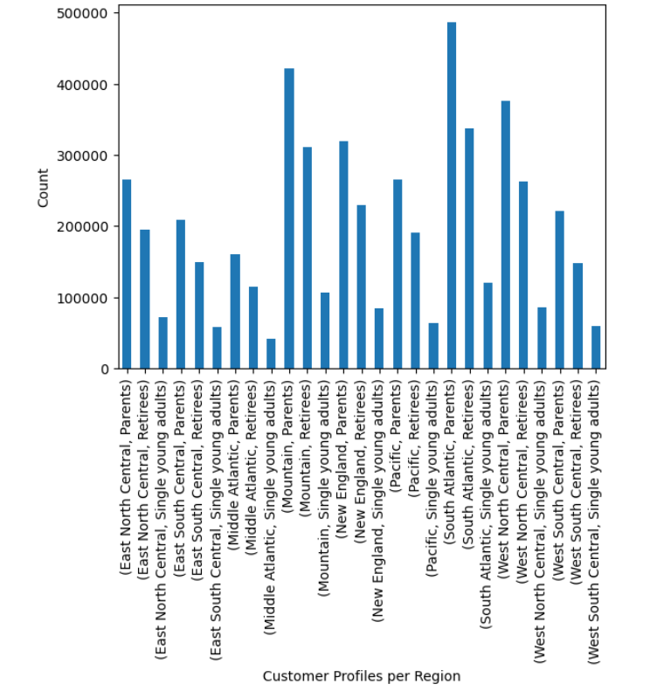

 | Figure 8

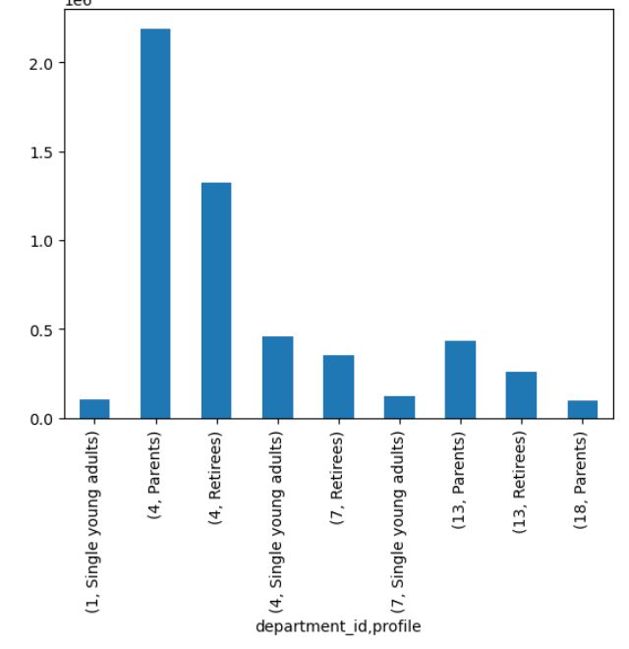

 | 1 = Frozen 4 = Produce 7 = Beverages 13 = pantry 18 = babies 19 = snacks

7. Recommendations
 |  | Title page

Recommendations

In this tab you should include any recommendations you would made to Instcart in terms of their marketing strategy based on the questions posed in the brief. Every key question has been covered in the Tasks of the Exercises - here you need to add an item - a visualisation or table/crosstable that is showing the answer in the data, acompanied by a comment from you. Please, list the questions below and add the answer underneath.

Question | Answer
Key Question 1 The sales team needs to know what the busiest days of the week and hours of the day are (i.e., the days and times with the most orders) in order to schedule ads at times when there are fewer orders. | The busiest days of the week are Sunday, Monday and Saturday. The busiest hours of the day are between 10:00 and 15:00.
Key Question 2 They also want to know whether there are particular times of the day when people spend the most money, as this might inform the type of products they advertise at these times. | As per figure 4 (Visualizations), the time of the day with the highest expenditure is around 6am and 6pm.
Key Question 3: Instacart has a lot of products with different price tags. Marketing and sales want to use simpler price range groupings to help direct their efforts. | We established price ranges of between $1 and $10 and sorted them out in descending order: price range 6-7 2881467 1-2 2863551 3-4 2685225 4-5 2503734 8-9 2410617 5-6 2372021 7-8 2234025 2-3 2073811 9-10 1864328
Key Question 4: Are there certain types of products that are more popular than others? The marketing and sales teams want to know which departments have the highest frequency of product orders. | The most popular department in terms of product orders is produce (29%), followed by dairy eggs (17%), snacks (9%) and beverages (8%).
Key Question 5: What’s the distribution among users in regards to their brand loyalty (i.e., how often do they return to Instacart)? | Our frequent customers are those who return in less than 10 days and they represent 58%. Regular customers return between 10 and 20 days and represent 18% of the customer base, followed by Non-frequent customers (16%), who return after more than 20 days.
Key Question 6: Are there differences in ordering habits based on a customer’s loyalty status? | New customers tend to pay slightly higher prices on average (13.29), regular customers find themselves in the middle (12.50) and loyal customers have the lowest average prices (10.39). The biggest spenders are new customers. As per the total amount spent per group, the biggest spenders are new customers, followed by regular and loyal customers
Key Question 7: Are there differences in ordering habits based on a customer’s region? | As per our analysis, there are no differences in the ordering habits across all regions. Produce, dairy eggs and snacks are the most frequent orders across all regions. South Atlantic and Mountain are the regions that order the most of Produce and dairy eggs.
Key Question 8: What different classifications does the demographic information suggest? Age? Income? Certain types of goods? Family status? | We see that the age groups between 40 and 80 years old have an income that comes close to 600K, while the income of the age groups of 20 and 30 does not surpass the 400K. The first group usually are usually married and have children while the second group tends to be single and is childless.
Key Question 9: What differences can you find in ordering habits of different customer profiles? Consider the price of orders, the frequency of orders, the products customers are ordering, and anything else you can thin | Parents are the most numerous profile across all regions (figure 7, visualizations), followed by retirees and lastly, single young adults. Some regions clearly have more parent profiles starting with South Atlantic, followed by the Mountain region and West North Central to name the top 3. Based on this we could assume that states in these regions tend to have more families or are simply the most populous regions.

